ON Monitor
Calculate

Forward Rates
 | Forward Rates
5-Jan-17 | 1.4995%
6-Jan-17 | 1.4997%
9-Jan-17 | 1.4998%
10-Jan-17 | 1.4999%
11-Jan-17 | 1.5000%
12-Jan-17 | 1.5002%
13-Jan-17 | 1.5006%
16-Jan-17 | 1.5008%
17-Jan-17 | 1.5008%
18-Jan-17 | 1.5008%
19-Jan-17 | 1.5008%
20-Jan-17 | 1.5006%
23-Jan-17 | 1.5002%
24-Jan-17 | 1.5000%
25-Jan-17 | 1.4995%
27-Jan-17 | 1.4986%
30-Jan-17 | 1.4977%
31-Jan-17 | 1.4971%
1-Feb-17 | 1.4966%
2-Feb-17 | 1.4960%
3-Feb-17 | 1.4947%
6-Feb-17 | 1.4932%
7-Feb-17 | 1.4925%
8-Feb-17 | 1.4918%
9-Feb-17 | 1.4911%
10-Feb-17 | 1.4899%
13-Feb-17 | 1.4887%
14-Feb-17 | 1.4882%
15-Feb-17 | 1.4877%
16-Feb-17 | 1.4872%
17-Feb-17 | 1.4864%
20-Feb-17 | 1.4856%
21-Feb-17 | 1.4853%
22-Feb-17 | 1.4850%
23-Feb-17 | 1.4847%
24-Feb-17 | 1.4844%
27-Feb-17 | 1.4840%
28-Feb-17 | 1.4839%
1-Mar-17 | 1.4838%
2-Mar-17 | 1.4837%
3-Mar-17 | 1.4838%
6-Mar-17 | 1.4838%
7-Mar-17 | 1.4838%
8-Mar-17 | 1.4839%
9-Mar-17 | 1.4839%
10-Mar-17 | 1.4840%
13-Mar-17 | 1.4840%
14-Mar-17 | 1.4839%
15-Mar-17 | 1.4839%
16-Mar-17 | 1.4839%
...
ON Curve
Instrument | Tenor | Quote Object ID | Convexity/Spread | Fixing Date | Value Date | Maturity Date | Pricing | Quote Value | Flag | Error(bps) | In Bid-Ask
OIS | 1W | AUDOISSW_Quote |  | 05-Jan-2017 | 06-Jan-2017 | 13-Jan-2017 | 1.5000% | 1.5000% | TRUE | 0.00 | TRUE
OIS | 2W | AUDOIS2W_Quote |  | 05-Jan-2017 | 06-Jan-2017 | 20-Jan-2017 | 1.5006% | #NUM! | FALSE | #NUM! | #NUM!
OIS | 3W | AUDOIS3W_Quote |  | 05-Jan-2017 | 06-Jan-2017 | 27-Jan-2017 | 1.5008% | #NUM! | FALSE | #NUM! | #NUM!
OIS | 1M | AUDOIS1M_Quote |  | 05-Jan-2017 | 06-Jan-2017 | 06-Feb-2017 | 1.5000% | 1.5000% | TRUE | 0.00 | TRUE
OIS | 2M | AUDOIS2M_Quote |  | 05-Jan-2017 | 06-Jan-2017 | 06-Mar-2017 | 1.4950% | 1.4950% | TRUE | 0.00 | TRUE
OIS | 3M | AUDOIS3M_Quote |  | 05-Jan-2017 | 06-Jan-2017 | 06-Apr-2017 | 1.4925% | 1.4925% | TRUE | 0.00 | TRUE
OIS | 4M | AUDOIS4M_Quote |  | 05-Jan-2017 | 06-Jan-2017 | 08-May-2017 | 1.4910% | 1.4910% | TRUE | 0.00 | TRUE
OIS | 5M | AUDOIS5M_Quote |  | 05-Jan-2017 | 06-Jan-2017 | 06-Jun-2017 | 1.4910% | 1.4910% | TRUE | 0.00 | TRUE
OIS | 6M | AUDOIS6M_Quote |  | 05-Jan-2017 | 06-Jan-2017 | 06-Jul-2017 | 1.4910% | 1.4910% | TRUE | 0.00 | TRUE
OIS | 7M | AUDOIS7M_Quote |  | 05-Jan-2017 | 06-Jan-2017 | 08-Aug-2017 | 1.4950% | #NUM! | FALSE | #NUM! | #NUM!
OIS | 8M | AUDOIS8M_Quote |  | 05-Jan-2017 | 06-Jan-2017 | 06-Sep-2017 | 1.5007% | #NUM! | FALSE | #NUM! | #NUM!
OIS | 9M | AUDOIS9M_Quote |  | 05-Jan-2017 | 06-Jan-2017 | 06-Oct-2017 | 1.5075% | 1.5075% | TRUE | 0.00 | TRUE
OIS | 10M | AUDOIS10M_Quote |  | 05-Jan-2017 | 06-Jan-2017 | 06-Nov-2017 | 1.5146% | #NUM! | FALSE | #NUM! | #NUM!
OIS | 11M | AUDOIS11M_Quote |  | 05-Jan-2017 | 06-Jan-2017 | 06-Dec-2017 | 1.5216% | #NUM! | FALSE | #NUM! | #NUM!
OIS | 12M | AUDOIS12M_Quote |  | 05-Jan-2017 | 06-Jan-2017 | 08-Jan-2018 | 1.5300% | 1.5300% | TRUE | 0.00 | TRUE
OIS | 13M | AUDOIS13M_Quote |  | 05-Jan-2017 | 06-Jan-2017 | 06-Feb-2018 | 1.5361% | #NUM! | FALSE | #NUM! | #NUM!
OIS | 14M | AUDOIS14M_Quote |  | 05-Jan-2017 | 06-Jan-2017 | 06-Mar-2018 | 1.5431% | #NUM! | FALSE | #NUM! | #NUM!
OIS | 15M | AUDOIS15M_Quote |  | 05-Jan-2017 | 06-Jan-2017 | 06-Apr-2018 | 1.5519% | #NUM! | FALSE | #NUM! | #NUM!
OIS | 16M | AUDOIS16M_Quote |  | 05-Jan-2017 | 06-Jan-2017 | 07-May-2018 | 1.5619% | #NUM! | FALSE | #NUM! | #NUM!
OIS | 17M | AUDOIS17M_Quote |  | 05-Jan-2017 | 06-Jan-2017 | 06-Jun-2018 | 1.5729% | #NUM! | FALSE | #NUM! | #NUM!
OIS | 18M | AUDOIS18M_Quote |  | 05-Jan-2017 | 06-Jan-2017 | 06-Jul-2018 | 1.5850% | 1.5850% | TRUE | 0.00 | TRUE
OIS | 19M | AUDOIS19M_Quote |  | 05-Jan-2017 | 06-Jan-2017 | 07-Aug-2018 | 1.5992% | #NUM! | FALSE | #NUM! | #NUM!
OIS | 20M | AUDOIS20M_Quote |  | 05-Jan-2017 | 06-Jan-2017 | 06-Sep-2018 | 1.6134% | #NUM! | FALSE | #NUM! | #NUM!
OIS | 21M | AUDOIS21M_Quote |  | 05-Jan-2017 | 06-Jan-2017 | 08-Oct-2018 | 1.6292% | #NUM! | FALSE | #NUM! | #NUM!
OIS | 22M | AUDOIS22M_Quote |  | 05-Jan-2017 | 06-Jan-2017 | 06-Nov-2018 | 1.6438% | #NUM! | FALSE | #NUM! | #NUM!
OIS | 23M | AUDOIS23M_Quote |  | 05-Jan-2017 | 06-Jan-2017 | 06-Dec-2018 | 1.6589% | #NUM! | FALSE | #NUM! | #NUM!
OIS | 2Y | AUDOIS2Y_Quote |  | 05-Jan-2017 | 06-Jan-2017 | 07-Jan-2019 | 1.6750% | 1.6750% | TRUE | 0.00 | TRUE
OIS | 27M | AUDOIS27M_Quote |  | 05-Jan-2017 | 06-Jan-2017 | 08-Apr-2019 | 1.7165% | #NUM! | FALSE | #NUM! | #NUM!
OIS | 30M | AUDOIS30M_Quote |  | 05-Jan-2017 | 06-Jan-2017 | 08-Jul-2019 | 1.7567% | #NUM! | FALSE | #NUM! | #NUM!
OIS | 33M | AUDOIS33M_Quote |  | 05-Jan-2017 | 06-Jan-2017 | 08-Oct-2019 | 1.7966% | #NUM! | FALSE | #NUM! | #NUM!
OIS | 3Y | AUDOIS3Y_Quote |  | 05-Jan-2017 | 06-Jan-2017 | 06-Jan-2020 | 1.8350% | 1.8350% | TRUE | 0.00 | TRUE
OIS | 39M | AUDOIS39M_Quote |  | 05-Jan-2017 | 06-Jan-2017 | 06-Apr-2020 | 1.8711% | #NUM! | FALSE | #NUM! | #NUM!
OIS | 42M | AUDOIS42M_Quote |  | 05-Jan-2017 | 06-Jan-2017 | 06-Jul-2020 | 1.9064% | #NUM! | FALSE | #NUM! | #NUM!
OIS | 45M | AUDOIS45M_Quote |  | 05-Jan-2017 | 06-Jan-2017 | 06-Oct-2020 | 1.9413% | #NUM! | FALSE | #NUM! | #NUM!
OIS | 4Y | AUDOIS4Y_Quote |  | 05-Jan-2017 | 06-Jan-2017 | 06-Jan-2021 | 1.9750% | 1.9750% | TRUE | 0.00 | TRUE
OIS | 51M | AUDOIS51M_Quote |  | 05-Jan-2017 | 06-Jan-2017 | 06-Apr-2021 | 2.0049% | #NUM! | FALSE | #NUM! | #NUM!
OIS | 54M | AUDOIS54M_Quote |  | 05-Jan-2017 | 06-Jan-2017 | 06-Jul-2021 | 2.0344% | #NUM! | FALSE | #NUM! | #NUM!
OIS | 57M | AUDOIS57M_Quote |  | 05-Jan-2017 | 06-Jan-2017 | 06-Oct-2021 | 2.0638% | #NUM! | FALSE | #NUM! | #NUM!
OIS | 5Y | AUDOIS5Y_Quote |  | 05-Jan-2017 | 06-Jan-2017 | 06-Jan-2022 | 2.0930% | 2.0930% | TRUE | 0.00 | TRUE
OIS | 6Y | AUDOIS6Y_Quote |  | 05-Jan-2017 | 06-Jan-2017 | 06-Jan-2023 | 2.2080% | 2.2080% | TRUE | 0.00 | TRUE
OIS | 7Y | AUDOIS7Y_Quote |  | 05-Jan-2017 | 06-Jan-2017 | 08-Jan-2024 | 2.3230% | 2.3230% | TRUE | 0.00 | TRUE
OIS | 8Y | AUDOIS8Y_Quote |  | 05-Jan-2017 | 06-Jan-2017 | 06-Jan-2025 | 2.3980% | 2.3980% | TRUE | 0.00 | TRUE
OIS | 9Y | AUDOIS9Y_Quote |  | 05-Jan-2017 | 06-Jan-2017 | 06-Jan-2026 | 2.4700% | 2.4700% | TRUE | 0.00 | TRUE
OIS | 10Y | AUDOIS10Y_Quote |  | 05-Jan-2017 | 06-Jan-2017 | 06-Jan-2027 | 2.5450% | 2.5450% | TRUE | 0.00 | TRUE
OIS | 12Y | AUDOIS12Y_Quote |  | 05-Jan-2017 | 06-Jan-2017 | 08-Jan-2029 | 2.6580% | 2.6580% | TRUE | 0.00 | TRUE
OIS | 15Y | AUDOIS15Y_Quote |  | 05-Jan-2017 | 06-Jan-2017 | 06-Jan-2032 | 2.7880% | 2.7880% | TRUE | 0.00 | TRUE
OIS | 20Y | AUDOIS20Y_Quote |  | 05-Jan-2017 | 06-Jan-2017 | 06-Jan-2037 | 2.9080% | 2.9080% | TRUE | 0.00 | TRUE
OIS | 25Y | AUDOIS25Y_Quote |  | 05-Jan-2017 | 06-Jan-2017 | 06-Jan-2042 | 2.9580% | 2.9580% | TRUE | 0.00 | TRUE
OIS | 27Y | AUDOIS27Y_Quote |  | 05-Jan-2017 | 06-Jan-2017 | 06-Jan-2044 | 2.9613% | #NUM! | FALSE | #NUM! | #NUM!
OIS | 30Y | AUDOIS30Y_Quote |  | 05-Jan-2017 | 06-Jan-2017 | 07-Jan-2047 | 2.9580% | 2.9580% | TRUE | 0.00 | TRUE
OIS | 35Y | AUDOIS35Y_Quote |  | 05-Jan-2017 | 06-Jan-2017 | 08-Jan-2052 | 2.9515% | #NUM! | FALSE | #NUM! | #NUM!
OIS | 40Y | AUDOIS40Y_Quote |  | 05-Jan-2017 | 06-Jan-2017 | 08-Jan-2057 | 2.9468% | #NUM! | FALSE | #NUM! | #NUM!
OIS | 45Y | AUDOIS45Y_Quote |  | 05-Jan-2017 | 06-Jan-2017 | 06-Jan-2062 | 2.9432% | #NUM! | FALSE | #NUM! | #NUM!
OIS | 50Y | AUDOIS50Y_Quote |  | 05-Jan-2017 | 06-Jan-2017 | 06-Jan-2067 | 2.9403% | #NUM! | FALSE | #NUM! | #NUM!
MTOIS | 1W | AUDMTOISSW_Quote |  | 05-Jan-2017 | 06-Jan-2017 | 13-Jan-2017 | 1.5000% | #NUM! | FALSE | #NUM! | #NUM!
MTOIS | 2W | AUDMTOIS2W_Quote |  | 05-Jan-2017 | 06-Jan-2017 | 20-Jan-2017 | 1.5006% | #NUM! | FALSE | #NUM! | #NUM!
MTOIS | 3W | AUDMTOIS3W_Quote |  | 05-Jan-2017 | 06-Jan-2017 | 27-Jan-2017 | 1.5008% | #NUM! | FALSE | #NUM! | #NUM!
MTOIS | 1M | AUDMTOIS1M_Quote |  | 05-Jan-2017 | 06-Jan-2017 | 06-Feb-2017 | 1.5000% | #NUM! | FALSE | #NUM! | #NUM!
MTOIS | 2M | AUDMTOIS2M_Quote |  | 05-Jan-2017 | 06-Jan-2017 | 06-Mar-2017 | 1.4950% | #NUM! | FALSE | #NUM! | #NUM!
MTOIS | 3M | AUDMTOIS3M_Quote |  | 05-Jan-2017 | 06-Jan-2017 | 06-Apr-2017 | 1.4925% | #NUM! | FALSE | #NUM! | #NUM!
MTOIS | 4M | AUDMTOIS4M_Quote |  | 05-Jan-2017 | 06-Jan-2017 | 08-May-2017 | 1.4910% | #NUM! | FALSE | #NUM! | #NUM!
MTOIS | 5M | AUDMTOIS5M_Quote |  | 05-Jan-2017 | 06-Jan-2017 | 06-Jun-2017 | 1.4910% | #NUM! | FALSE | #NUM! | #NUM!
MTOIS | 6M | AUDMTOIS6M_Quote |  | 05-Jan-2017 | 06-Jan-2017 | 06-Jul-2017 | 1.4910% | #NUM! | FALSE | #NUM! | #NUM!
MTOIS | 7M | AUDMTOIS7M_Quote |  | 05-Jan-2017 | 06-Jan-2017 | 08-Aug-2017 | 1.4950% | #NUM! | FALSE | #NUM! | #NUM!
MTOIS | 8M | AUDMTOIS8M_Quote |  | 05-Jan-2017 | 06-Jan-2017 | 06-Sep-2017 | 1.5007% | #NUM! | FALSE | #NUM! | #NUM!
MTOIS | 9M | AUDMTOIS9M_Quote |  | 05-Jan-2017 | 06-Jan-2017 | 06-Oct-2017 | 1.5075% | #NUM! | FALSE | #NUM! | #NUM!
MTOIS | 10M | AUDMTOIS10M_Quote |  | 05-Jan-2017 | 06-Jan-2017 | 06-Nov-2017 | 1.5146% | #NUM! | FALSE | #NUM! | #NUM!
MTOIS | 11M | AUDMTOIS11M_Quote |  | 05-Jan-2017 | 06-Jan-2017 | 06-Dec-2017 | 1.5216% | #NUM! | FALSE | #NUM! | #NUM!
MTOIS | 1Y | AUDMTOIS1Y_Quote |  | 05-Jan-2017 | 06-Jan-2017 | 08-Jan-2018 | 1.5300% | #NUM! | FALSE | #NUM! | #NUM!
MTOIS | 13M | AUDMTOIS13M_Quote |  | 05-Jan-2017 | 06-Jan-2017 | 06-Feb-2018 | 1.5361% | #NUM! | FALSE | #NUM! | #NUM!
MTOIS | 14M | AUDMTOIS14M_Quote |  | 05-Jan-2017 | 06-Jan-2017 | 06-Mar-2018 | 1.5431% | #NUM! | FALSE | #NUM! | #NUM!
MTOIS | 15M | AUDMTOIS15M_Quote |  | 05-Jan-2017 | 06-Jan-2017 | 06-Apr-2018 | 1.5519% | #NUM! | FALSE | #NUM! | #NUM!
MTOIS | 16M | AUDMTOIS16M_Quote |  | 05-Jan-2017 | 06-Jan-2017 | 07-May-2018 | 1.5619% | #NUM! | FALSE | #NUM! | #NUM!
MTOIS | 17M | AUDMTOIS17M_Quote |  | 05-Jan-2017 | 06-Jan-2017 | 06-Jun-2018 | 1.5729% | #NUM! | FALSE | #NUM! | #NUM!
MTOIS | 18M | AUDMTOIS18M_Quote |  | 05-Jan-2017 | 06-Jan-2017 | 06-Jul-2018 | 1.5850% | #NUM! | FALSE | #NUM! | #NUM!
MTOIS | 19M | AUDMTOIS19M_Quote |  | 05-Jan-2017 | 06-Jan-2017 | 07-Aug-2018 | 1.5992% | #NUM! | FALSE | #NUM! | #NUM!
MTOIS | 20M | AUDMTOIS20M_Quote |  | 05-Jan-2017 | 06-Jan-2017 | 06-Sep-2018 | 1.6134% | #NUM! | FALSE | #NUM! | #NUM!
MTOIS | 21M | AUDMTOIS21M_Quote |  | 05-Jan-2017 | 06-Jan-2017 | 08-Oct-2018 | 1.6292% | #NUM! | FALSE | #NUM! | #NUM!
MTOIS | 22M | AUDMTOIS22M_Quote |  | 05-Jan-2017 | 06-Jan-2017 | 06-Nov-2018 | 1.6438% | #NUM! | FALSE | #NUM! | #NUM!
MTOIS | 23M | AUDMTOIS23M_Quote |  | 05-Jan-2017 | 06-Jan-2017 | 06-Dec-2018 | 1.6589% | #NUM! | FALSE | #NUM! | #NUM!
MTOIS | 2Y | AUDMTOIS2Y_Quote |  | 05-Jan-2017 | 06-Jan-2017 | 07-Jan-2019 | 1.6750% | #NUM! | FALSE | #NUM! | #NUM!
MTOIS | 27M | AUDMTOIS27M_Quote |  | 05-Jan-2017 | 06-Jan-2017 | 08-Apr-2019 | 1.7165% | #NUM! | FALSE | #NUM! | #NUM!
MTOIS | 30M | AUDMTOIS30M_Quote |  | 05-Jan-2017 | 06-Jan-2017 | 08-Jul-2019 | 1.7567% | #NUM! | FALSE | #NUM! | #NUM!
MTOIS | 33M | AUDMTOIS33M_Quote |  | 05-Jan-2017 | 06-Jan-2017 | 08-Oct-2019 | 1.7966% | #NUM! | FALSE | #NUM! | #NUM!
MTOIS | 3Y | AUDMTOIS3Y_Quote |  | 05-Jan-2017 | 06-Jan-2017 | 06-Jan-2020 | 1.8350% | #NUM! | FALSE | #NUM! | #NUM!
MTOIS | 39M | AUDMTOIS39M_Quote |  | 05-Jan-2017 | 06-Jan-2017 | 06-Apr-2020 | 1.8711% | #NUM! | FALSE | #NUM! | #NUM!
MTOIS | 42M | AUDMTOIS42M_Quote |  | 05-Jan-2017 | 06-Jan-2017 | 06-Jul-2020 | 1.9064% | #NUM! | FALSE | #NUM! | #NUM!
MTOIS | 45M | AUDMTOIS45M_Quote |  | 05-Jan-2017 | 06-Jan-2017 | 06-Oct-2020 | 1.9413% | #NUM! | FALSE | #NUM! | #NUM!
MTOIS | 4Y | AUDMTOIS4Y_Quote |  | 05-Jan-2017 | 06-Jan-2017 | 06-Jan-2021 | 1.9750% | #NUM! | FALSE | #NUM! | #NUM!
MTOIS | 51M | AUDMTOIS51M_Quote |  | 05-Jan-2017 | 06-Jan-2017 | 06-Apr-2021 | 2.0049% | #NUM! | FALSE | #NUM! | #NUM!
MTOIS | 54M | AUDMTOIS54M_Quote |  | 05-Jan-2017 | 06-Jan-2017 | 06-Jul-2021 | 2.0344% | #NUM! | FALSE | #NUM! | #NUM!
MTOIS | 57M | AUDMTOIS57M_Quote |  | 05-Jan-2017 | 06-Jan-2017 | 06-Oct-2021 | 2.0638% | #NUM! | FALSE | #NUM! | #NUM!
MTOIS | 5Y | AUDMTOIS5Y_Quote |  | 05-Jan-2017 | 06-Jan-2017 | 06-Jan-2022 | 2.0930% | #NUM! | FALSE | #NUM! | #NUM!
MTOIS | 6Y | AUDMTOIS6Y_Quote |  | 05-Jan-2017 | 06-Jan-2017 | 06-Jan-2023 | 2.2080% | #NUM! | FALSE | #NUM! | #NUM!
MTOIS | 7Y | AUDMTOIS7Y_Quote |  | 05-Jan-2017 | 06-Jan-2017 | 08-Jan-2024 | 2.3230% | #NUM! | FALSE | #NUM! | #NUM!
MTOIS | 8Y | AUDMTOIS8Y_Quote |  | 05-Jan-2017 | 06-Jan-2017 | 06-Jan-2025 | 2.3980% | #NUM! | FALSE | #NUM! | #NUM!
MTOIS | 9Y | AUDMTOIS9Y_Quote |  | 05-Jan-2017 | 06-Jan-2017 | 06-Jan-2026 | 2.4700% | #NUM! | FALSE | #NUM! | #NUM!
MTOIS | 10Y | AUDMTOIS10Y_Quote |  | 05-Jan-2017 | 06-Jan-2017 | 06-Jan-2027 | 2.5450% | #NUM! | FALSE | #NUM! | #NUM!
MTOIS | 12Y | AUDMTOIS12Y_Quote |  | 05-Jan-2017 | 06-Jan-2017 | 08-Jan-2029 | 2.6580% | #NUM! | FALSE | #NUM! | #NUM!
MTOIS | 15Y | AUDMTOIS15Y_Quote |  | 05-Jan-2017 | 06-Jan-2017 | 06-Jan-2032 | 2.7880% | #NUM! | FALSE | #NUM! | #NUM!
MTOIS | 20Y | AUDMTOIS20Y_Quote |  | 05-Jan-2017 | 06-Jan-2017 | 06-Jan-2037 | 2.9080% | #NUM! | FALSE | #NUM! | #NUM!
MTOIS | 25Y | AUDMTOIS25Y_Quote |  | 05-Jan-2017 | 06-Jan-2017 | 06-Jan-2042 | 2.9580% | #NUM! | FALSE | #NUM! | #NUM!
MTOIS | 27Y | AUDMTOIS27Y_Quote |  | 05-Jan-2017 | 06-Jan-2017 | 06-Jan-2044 | 2.9613% | #NUM! | FALSE | #NUM! | #NUM!
MTOIS | 30Y | AUDMTOIS30Y_Quote |  | 05-Jan-2017 | 06-Jan-2017 | 07-Jan-2047 | 2.9580% | #NUM! | FALSE | #NUM! | #NUM!
MTOIS | 35Y | AUDMTOIS35Y_Quote |  | 05-Jan-2017 | 06-Jan-2017 | 08-Jan-2052 | 2.9515% | #NUM! | FALSE | #NUM! | #NUM!
MTOIS | 40Y | AUDMTOIS40Y_Quote |  | 05-Jan-2017 | 06-Jan-2017 | 08-Jan-2057 | 2.9468% | #NUM! | FALSE | #NUM! | #NUM!
MTOIS | 45Y | AUDMTOIS45Y_Quote |  | 05-Jan-2017 | 06-Jan-2017 | 06-Jan-2062 | 2.9432% | #NUM! | FALSE | #NUM! | #NUM!
MTOIS | 50Y | AUDMTOIS50Y_Quote |  | 05-Jan-2017 | 06-Jan-2017 | 06-Jan-2067 | 2.9403% | #NUM! | FALSE | #NUM! | #NUM!

1M Monitor
Calculate

Forward Rates
 | Forward Rates
5-Jan-17 | #N/A
6-Jan-17 | #N/A
9-Jan-17 | #N/A
10-Jan-17 | #N/A
11-Jan-17 | #N/A
12-Jan-17 | #N/A
13-Jan-17 | #N/A
16-Jan-17 | #N/A
17-Jan-17 | #N/A
18-Jan-17 | #N/A
19-Jan-17 | #N/A
20-Jan-17 | #N/A
23-Jan-17 | #N/A
24-Jan-17 | #N/A
25-Jan-17 | #N/A
27-Jan-17 | #N/A
30-Jan-17 | #N/A
31-Jan-17 | #N/A
1-Feb-17 | #N/A
2-Feb-17 | #N/A
3-Feb-17 | #N/A
6-Feb-17 | #N/A
7-Feb-17 | #N/A
8-Feb-17 | #N/A
9-Feb-17 | #N/A
10-Feb-17 | #N/A
13-Feb-17 | #N/A
14-Feb-17 | #N/A
15-Feb-17 | #N/A
16-Feb-17 | #N/A
17-Feb-17 | #N/A
20-Feb-17 | #N/A
21-Feb-17 | #N/A
22-Feb-17 | #N/A
23-Feb-17 | #N/A
24-Feb-17 | #N/A
27-Feb-17 | #N/A
28-Feb-17 | #N/A
1-Mar-17 | #N/A
2-Mar-17 | #N/A
3-Mar-17 | #N/A
6-Mar-17 | #N/A
7-Mar-17 | #N/A
8-Mar-17 | #N/A
9-Mar-17 | #N/A
10-Mar-17 | #N/A
13-Mar-17 | #N/A
14-Mar-17 | #N/A
15-Mar-17 | #N/A
16-Mar-17 | #N/A
...

ON Forward Rates
 | ON Forward Rates
5-Jan-17 | 1.6311%
6-Jan-17 | 1.6320%
9-Jan-17 | 1.6328%
10-Jan-17 | 1.6333%
11-Jan-17 | 1.6337%
12-Jan-17 | 1.6342%
13-Jan-17 | 1.6351%
16-Jan-17 | 1.6359%
17-Jan-17 | 1.6363%
18-Jan-17 | 1.6367%
19-Jan-17 | 1.6370%
20-Jan-17 | 1.6376%
23-Jan-17 | 1.6377%
24-Jan-17 | 1.6377%
25-Jan-17 | 1.6376%
27-Jan-17 | 1.6372%
30-Jan-17 | 1.6368%
31-Jan-17 | 1.6366%
1-Feb-17 | 1.6365%
2-Feb-17 | 1.6364%
3-Feb-17 | 1.6362%
6-Feb-17 | 1.6359%
7-Feb-17 | 1.6359%
8-Feb-17 | 1.6358%
9-Feb-17 | 1.6357%
10-Feb-17 | 1.6356%
13-Feb-17 | 1.6354%
14-Feb-17 | 1.6353%
15-Feb-17 | 1.6352%
16-Feb-17 | 1.6352%
17-Feb-17 | 1.6351%
20-Feb-17 | 1.6349%
21-Feb-17 | 1.6348%
22-Feb-17 | 1.6348%
23-Feb-17 | 1.6347%
24-Feb-17 | 1.6346%
27-Feb-17 | 1.6345%
28-Feb-17 | 1.6344%
1-Mar-17 | 1.6343%
2-Mar-17 | 1.6343%
3-Mar-17 | 1.6343%
6-Mar-17 | 1.6341%
7-Mar-17 | 1.6340%
8-Mar-17 | 1.6340%
9-Mar-17 | 1.6340%
10-Mar-17 | 1.6339%
13-Mar-17 | 1.6338%
14-Mar-17 | 1.6338%
15-Mar-17 | 1.6337%
16-Mar-17 | 1.6337%
...

3M Monitor
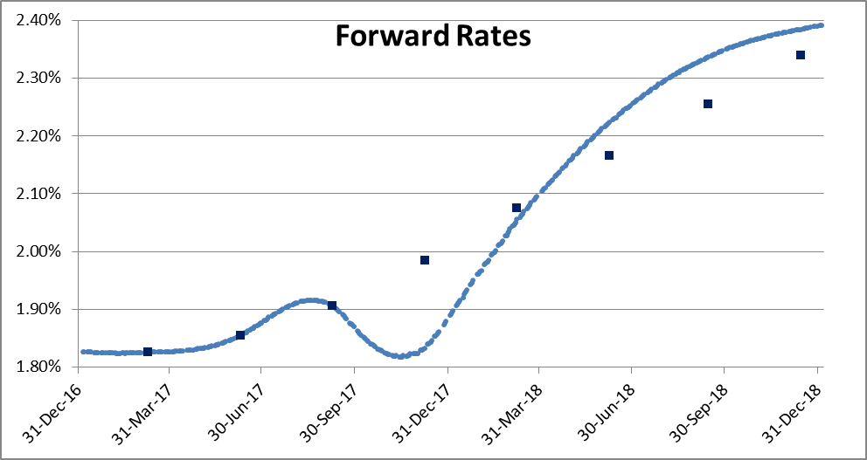
 | Calculate

Forward Rates
 | Forward Rates |  | FRA |  | First IMM FUT |  | SERIAL FUT |  | Last IMM FUT
5-Jan-17 | 1.7900% | 06-Feb-2017 | #N/A | 10-Mar-2017 | 1.8150% | 13-Jan-2017 |  | 08-Mar-2019
6-Jan-17 | 1.7905% | 06-Mar-2017 | #N/A | 09-Jun-2017 | 1.8450% | 10-Feb-2017 |  | 14-Jun-2019
9-Jan-17 | 1.7923% | 05-Apr-2017 | #N/A | 08-Sep-2017 | 1.9050% |  |  | 13-Sep-2019
10-Jan-17 | 1.7926% | 05-May-2017 | #N/A | 08-Dec-2017 | 1.9750% |  |  | 13-Dec-2019
11-Jan-17 | 1.7930% | 05-Jun-2017 | #N/A | 09-Mar-2018 | 2.0650% |  |  | 13-Mar-2020
12-Jan-17 | 1.7935% | 05-Jul-2017 | #N/A | 08-Jun-2018 | 2.1550% |  |  | 12-Jun-2020
13-Jan-17 | 1.7940% |  |  | 14-Sep-2018 | 2.2450% |  |  | 11-Sep-2020
16-Jan-17 | 1.7958% |  |  | 14-Dec-2018 | 2.3300% |  |  | 11-Dec-2020
17-Jan-17 | 1.7960% |  |  |  |  |  |  | 12-Mar-2021
18-Jan-17 | 1.7961% |  |  |  |  |  |  | 11-Jun-2021
19-Jan-17 | 1.7966% |  |  |  |  |  |  | 10-Sep-2021
20-Jan-17 | 1.7969% |  |  |  |  |  |  | 10-Dec-2021
23-Jan-17 | 1.7983% |  |  |  |  |  |  | 11-Mar-2022
24-Jan-17 | 1.7985% |  |  |  |  |  |  | 10-Jun-2022
25-Jan-17 | 1.7991% |  |  |  |  |  |  | 09-Sep-2022
27-Jan-17 | 1.7996% |  |  |  |  |  |  | 09-Dec-2022
30-Jan-17 | 1.8002%
31-Jan-17 | 1.8003%
1-Feb-17 | 1.8011%
2-Feb-17 | 1.8015%
3-Feb-17 | 1.8018%
6-Feb-17 | 1.8033%
7-Feb-17 | 1.8035%
8-Feb-17 | 1.8036%
9-Feb-17 | 1.8040%
10-Feb-17 | 1.8043%
13-Feb-17 | 1.8058%
14-Feb-17 | 1.8060%
15-Feb-17 | 1.8062%
16-Feb-17 | 1.8065%
17-Feb-17 | 1.8069%
20-Feb-17 | 1.8083%
21-Feb-17 | 1.8085%
22-Feb-17 | 1.8087%
23-Feb-17 | 1.8090%
24-Feb-17 | 1.8094%
27-Feb-17 | 1.8108%
28-Feb-17 | 1.8113%
1-Mar-17 | 1.8117%
2-Mar-17 | 1.8120%
3-Mar-17 | 1.8127%
6-Mar-17 | 1.8133%
7-Mar-17 | 1.8136%
8-Mar-17 | 1.8139%
9-Mar-17 | 1.8142%
10-Mar-17 | 1.8150%
13-Mar-17 | 1.8154%
14-Mar-17 | 1.8156%
15-Mar-17 | 1.8159%
16-Mar-17 | 1.8162%
...
 | 3M Curve
TRUE | Instrument |  | Tenor | Quote Object ID | Convexity/Spread | Fixing Date | Value Date | Maturity Date | Pricing | Quote Value | Flag | Error(bps) | In Bid-Ask
 | FRA | 1M | 4M | AUD1x4F_Quote |  | 06-Feb-2017 | 06-Feb-2017 | 05-May-2017 | 1.8034% | #N/A | FALSE | #N/A | #N/A
 | FRA | 2M | 5M | AUD2x5F_Quote |  | 06-Mar-2017 | 06-Mar-2017 | 05-Jun-2017 | 1.8133% | #N/A | FALSE | #N/A | #N/A
TRUE | FRA | 3M | 6M | AUD3x6F_Quote |  | 05-Apr-2017 | 05-Apr-2017 | 05-Jul-2017 | 1.8211% | #N/A | FALSE | #N/A | #N/A | CURVA AS IS
 | FRA | 4M | 7M | AUD4x7F_Quote |  | 05-May-2017 | 05-May-2017 | 08-Aug-2017 | 1.8308% | #N/A | FALSE | #N/A | #N/A | No Fixing in SynthDepo Extrapolation
 | FRA | 5M | 8M | AUD5x8F_Quote |  | 05-Jun-2017 | 05-Jun-2017 | 05-Sep-2017 | 1.8424% | #N/A | FALSE | #N/A | #N/A | No Convexity Adjustment
FALSE | FRA | 6M | 9M | AUD6x9F_Quote |  | 05-Jul-2017 | 05-Jul-2017 | 05-Oct-2017 | 1.8590% | #N/A | FALSE | #N/A | #N/A | Swap 1Y included
 | IMM FUT |  | H7 | AUDFUT3MH7_Quote | AUDFUT3MH7ConvAdj_Quote | 10-Mar-2017 | 10-Mar-2017 | 13-Jun-2017 | 1.8150% | 1.8150% | TRUE | 0.00 | TRUE | 3 IMM FUT calibrated
 | IMM FUT |  | M7 | AUDFUT3MM7_Quote | AUDFUT3MM7ConvAdj_Quote | 09-Jun-2017 | 09-Jun-2017 | 11-Sep-2017 | 1.8450% | 1.8450% | TRUE | 0.00 | TRUE | Swap2Y and Swap3Y Included
FALSE | IMM FUT |  | U7 | AUDFUT3MU7_Quote | AUDFUT3MU7ConvAdj_Quote | 08-Sep-2017 | 08-Sep-2017 | 08-Dec-2017 | 1.9050% | 1.9050% | TRUE | 0.00 | TRUE
 | IMM FUT |  | Z7 | AUDFUT3MZ7_Quote | AUDFUT3MZ7ConvAdj_Quote | 08-Dec-2017 | 08-Dec-2017 | 08-Mar-2018 | 1.9750% | 1.9750% | TRUE | 0.00 | TRUE
 | IMM FUT |  | H8 | AUDFUT3MH8_Quote | AUDFUT3MH8ConvAdj_Quote | 09-Mar-2018 | 09-Mar-2018 | 12-Jun-2018 | 2.0650% | 2.0650% | TRUE | 0.00 | TRUE
 | IMM FUT |  | M8 | AUDFUT3MM8_Quote | AUDFUT3MM8ConvAdj_Quote | 08-Jun-2018 | 08-Jun-2018 | 10-Sep-2018 | 2.1550% | 2.1550% | TRUE | 0.00 | TRUE
 | IMM FUT |  | U8 | AUDFUT3MU8_Quote | AUDFUT3MU8ConvAdj_Quote | 14-Sep-2018 | 14-Sep-2018 | 14-Dec-2018 | 2.2450% | 2.2450% | TRUE | 0.00 | TRUE
 | IMM FUT |  | Z8 | AUDFUT3MZ8_Quote | AUDFUT3MZ8ConvAdj_Quote | 14-Dec-2018 | 14-Dec-2018 | 14-Mar-2019 | 2.3300% | 2.3300% | TRUE | 0.00 | TRUE
 | IMM FUT |  | H9 | AUDFUT3MH9_Quote | AUDFUT3MH9ConvAdj_Quote | 08-Mar-2019 | 08-Mar-2019 | 11-Jun-2019 | 2.4096% | 2.4100% | TRUE | -0.04 | TRUE
 | IMM FUT |  | M9 | AUDFUT3MM9_Quote | AUDFUT3MM9ConvAdj_Quote | 14-Jun-2019 | 14-Jun-2019 | 13-Sep-2019 | 2.4901% | 2.4900% | TRUE | 0.01 | TRUE
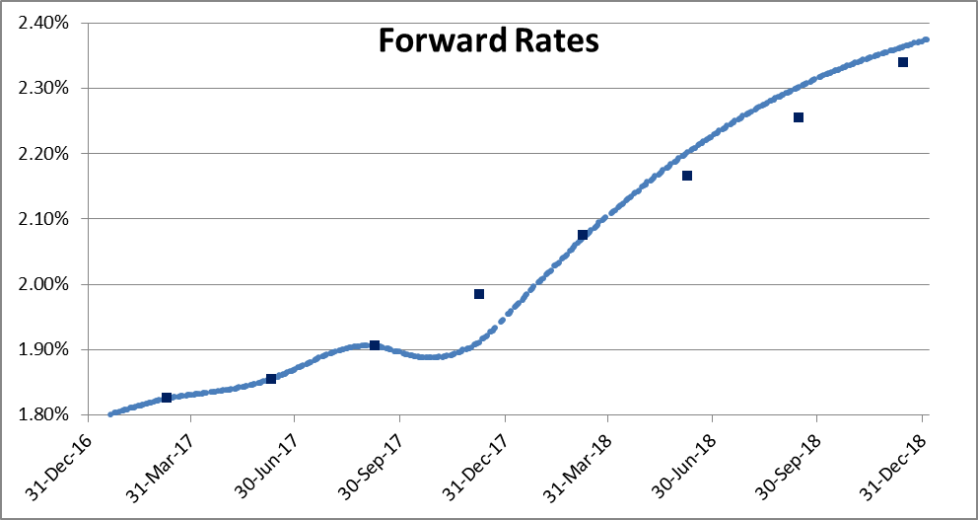
 | IMM FUT |  | U9 | AUDFUT3MU9_Quote | AUDFUT3MU9ConvAdj_Quote | 13-Sep-2019 | 13-Sep-2019 | 13-Dec-2019 | 2.5591% | 2.5700% | TRUE | -1.09 | TRUE
 | IMM FUT |  | Z9 | AUDFUT3MZ9_Quote | AUDFUT3MZ9ConvAdj_Quote | 13-Dec-2019 | 13-Dec-2019 | 13-Mar-2020 | 2.6206% | 2.6500% | TRUE | -2.94 | TRUE
 | IMM FUT |  | H0 | AUDFUT3MH0_Quote | AUDFUT3MH0ConvAdj_Quote | 13-Mar-2020 | 13-Mar-2020 | 15-Jun-2020 | 2.6757% | 100.0000% | TRUE | -9732.43 | FALSE
 | IMM FUT |  | M0 | AUDFUT3MM0_Quote | AUDFUT3MM0ConvAdj_Quote | 12-Jun-2020 | 12-Jun-2020 | 14-Sep-2020 | 2.7221% | 100.0000% | TRUE | -9727.79 | FALSE
ON Forward Rates
 | ON Forward Rates
5-Jan-17 | 1.7587%
6-Jan-17 | 1.7609%
9-Jan-17 | 1.7630%
10-Jan-17 | 1.7642%
11-Jan-17 | 1.7654%
12-Jan-17 | 1.7665%
13-Jan-17 | 1.7688%
16-Jan-17 | 1.7708%
17-Jan-17 | 1.7718%
18-Jan-17 | 1.7728%
19-Jan-17 | 1.7737%
20-Jan-17 | 1.7755%
23-Jan-17 | 1.7769%
24-Jan-17 | 1.7776%
25-Jan-17 | 1.7785%
27-Jan-17 | 1.7798%
30-Jan-17 | 1.7805%
31-Jan-17 | 1.7808%
1-Feb-17 | 1.7811%
2-Feb-17 | 1.7813%
3-Feb-17 | 1.7817%
6-Feb-17 | 1.7818%
7-Feb-17 | 1.7819%
8-Feb-17 | 1.7820%
9-Feb-17 | 1.7821%
10-Feb-17 | 1.7825%
13-Feb-17 | 1.7828%
14-Feb-17 | 1.7831%
15-Feb-17 | 1.7833%
16-Feb-17 | 1.7836%
17-Feb-17 | 1.7843%
20-Feb-17 | 1.7850%
21-Feb-17 | 1.7854%
22-Feb-17 | 1.7858%
23-Feb-17 | 1.7862%
24-Feb-17 | 1.7873%
27-Feb-17 | 1.7883%
28-Feb-17 | 1.7888%
1-Mar-17 | 1.7894%
2-Mar-17 | 1.7900%
3-Mar-17 | 1.7914%
6-Mar-17 | 1.7927%
7-Mar-17 | 1.7933%
8-Mar-17 | 1.7940%
9-Mar-17 | 1.7947%
10-Mar-17 | 1.7960%
13-Mar-17 | 1.7971%
14-Mar-17 | 1.7977%
15-Mar-17 | 1.7982%
16-Mar-17 | 1.7988%
...
 | IMM FUT |  | U0 | AUDFUT3MU0_Quote | AUDFUT3MU0ConvAdj_Quote | 11-Sep-2020 | 11-Sep-2020 | 11-Dec-2020 | 2.7601% | 100.0000% | TRUE | -9723.99 | FALSE
 | IMM FUT |  | Z0 | AUDFUT3MZ0_Quote | AUDFUT3MZ0ConvAdj_Quote | 11-Dec-2020 | 11-Dec-2020 | 11-Mar-2021 | 2.7923% | 100.0000% | TRUE | -9720.77 | FALSE
 | IMM FUT |  | H1 | AUDFUT3MH1_Quote | AUDFUT3MH1ConvAdj_Quote | 12-Mar-2021 | 12-Mar-2021 | 15-Jun-2021 | 2.8279% | 50.7650% | TRUE | -4793.71 | FALSE
 | IMM FUT |  | M1 | AUDFUT3MM1_Quote | AUDFUT3MM1ConvAdj_Quote | 11-Jun-2021 | 11-Jun-2021 | 13-Sep-2021 | 2.8682% | 50.7650% | TRUE | -4789.68 | FALSE | FIRST APPROACH
 | IMM FUT |  | U1 | AUDFUT3MU1_Quote | AUDFUT3MU1ConvAdj_Quote | 10-Sep-2021 | 10-Sep-2021 | 10-Dec-2021 | 2.9142% | 100.0000% | TRUE | -9708.58 | FALSE | Including 3M Fixing in SynthDepo Extrapolation
 | IMM FUT |  | Z1 | AUDFUT3MZ1_Quote | AUDFUT3MZ1ConvAdj_Quote | 10-Dec-2021 | 10-Dec-2021 | 10-Mar-2022 | 2.9667% | 100.0000% | TRUE | -9703.33 | FALSE | No Convexity
 | IMM FUT |  | H2 | AUDFUT3MH2_Quote | AUDFUT3MH2ConvAdj_Quote | 11-Mar-2022 | 11-Mar-2022 | 14-Jun-2022 | 3.0209% | #N/A | FALSE | #N/A | #N/A | Swap 1Y included
 | IMM FUT |  | M2 | AUDFUT3MM2_Quote | AUDFUT3MM2ConvAdj_Quote | 10-Jun-2022 | 10-Jun-2022 | 12-Sep-2022 | 3.0681% | #N/A | FALSE | #N/A | #N/A | 3 IMM FUT calibrated
 | IMM FUT |  | U2 | AUDFUT3MU2_Quote | AUDFUT3MU2ConvAdj_Quote | 09-Sep-2022 | 09-Sep-2022 | 09-Dec-2022 | 3.1101% | #N/A | FALSE | #N/A | #N/A | Swap2Y and Swap3Y Included
 | IMM FUT |  | Z2 | AUDFUT3MZ2_Quote | AUDFUT3MZ2ConvAdj_Quote | 09-Dec-2022 | 09-Dec-2022 | 09-Mar-2023 | 3.1483% | #N/A | FALSE | #N/A | #N/A
 | SERIAL FUT |  | F7 | AUDFUT3MF7_Quote | AUDFUT3MF7ConvAdj_Quote | 13-Jan-2017 | 13-Jan-2017 | 13-Apr-2017 | 1.7940% | #N/A | FALSE | #N/A | #N/A
 | SERIAL FUT |  | G7 | AUDFUT3MG7_Quote | AUDFUT3MG7ConvAdj_Quote | 10-Feb-2017 | 10-Feb-2017 | 10-May-2017 | 1.8044% | #N/A | FALSE | #N/A | #N/A
 | SW |  | 1Y | AUDQM3AB1Y_Quote |  | 05-Jan-2017 | 06-Jan-2017 | 08-Jan-2018 | 1.8503% | 1.8475% | TRUE | 0.28 | TRUE
 | SW |  | 15M | AUDQM3AB15M_Quote |  | 05-Jan-2017 | 06-Jan-2017 | 06-Apr-2018 | 1.8794% | #NUM! | FALSE | #NUM! | #NUM!
 | SW |  | 18M | AUDQM3AB18M_Quote |  | 05-Jan-2017 | 06-Jan-2017 | 06-Jul-2018 | 1.9143% | #NUM! | FALSE | #NUM! | #NUM!
 | SW |  | 21M | AUDQM3AB21M_Quote |  | 05-Jan-2017 | 06-Jan-2017 | 08-Oct-2018 | 1.9530% | #NUM! | FALSE | #NUM! | #NUM!
 | SW |  | 2Y | AUDQM3AB2Y_Quote |  | 05-Jan-2017 | 06-Jan-2017 | 07-Jan-2019 | 1.9916% | 2.0013% | TRUE | -0.97 | TRUE
 | SW |  | 3Y | AUDQM3AB3Y_Quote |  | 05-Jan-2017 | 06-Jan-2017 | 06-Jan-2020 | 2.1468% | 2.1513% | TRUE | -0.44 | TRUE
 | SW |  | 4Y | AUDQM3AB4Y_Quote |  | 05-Jan-2017 | 06-Jan-2017 | 06-Jan-2021 | 2.2826% | #NUM! | FALSE | #NUM! | #NUM!
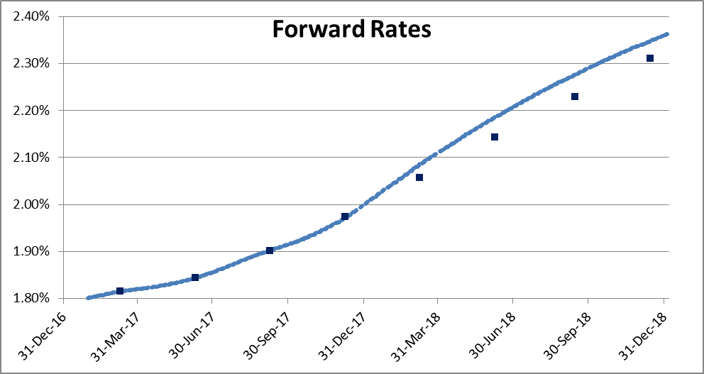
 | SW |  | 5Y | AUDQM3AB5Y_Quote |  | 05-Jan-2017 | 06-Jan-2017 | 06-Jan-2022 | 2.3932% | #NUM! | FALSE | #NUM! | #NUM!
 | SW |  | 6Y | AUDQM3AB6Y_Quote |  | 05-Jan-2017 | 06-Jan-2017 | 06-Jan-2023 | 2.4969% | #NUM! | FALSE | #NUM! | #NUM!
 | SW |  | 7Y | AUDQM3AB7Y_Quote |  | 05-Jan-2017 | 06-Jan-2017 | 08-Jan-2024 | 2.5907% | #NUM! | FALSE | #NUM! | #NUM!
 | SW |  | 8Y | AUDQM3AB8Y_Quote |  | 05-Jan-2017 | 06-Jan-2017 | 06-Jan-2025 | 2.6701% | #NUM! | FALSE | #NUM! | #NUM!
 | SW |  | 9Y | AUDQM3AB9Y_Quote |  | 05-Jan-2017 | 06-Jan-2017 | 06-Jan-2026 | 2.7396% | #NUM! | FALSE | #NUM! | #NUM!
 | SW |  | 10Y | AUDQM3AB10Y_Quote |  | 05-Jan-2017 | 06-Jan-2017 | 06-Jan-2027 | 2.8019% | #NUM! | FALSE | #NUM! | #NUM!
 | SW |  | 11Y | AUDQM3AB11Y_Quote |  | 05-Jan-2017 | 06-Jan-2017 | 06-Jan-2028 | 2.8591% | #NUM! | FALSE | #NUM! | #NUM! | SECOND APPROACH
 | SW |  | 12Y | AUDQM3AB12Y_Quote |  | 05-Jan-2017 | 06-Jan-2017 | 08-Jan-2029 | 2.9124% | #NUM! | FALSE | #NUM! | #NUM! | Includig Fixing in SynthDepo Extrap.
 | SW |  | 13Y | AUDQM3AB13Y_Quote |  | 05-Jan-2017 | 06-Jan-2017 | 07-Jan-2030 | 2.9610% | #NUM! | FALSE | #NUM! | #NUM! | Including Convexity Adj.
 | SW |  | 14Y | AUDQM3AB14Y_Quote |  | 05-Jan-2017 | 06-Jan-2017 | 06-Jan-2031 | 3.0043% | #NUM! | FALSE | #NUM! | #NUM! | Swap 1Y included
 | SW |  | 15Y | AUDQM3AB15Y_Quote |  | 05-Jan-2017 | 06-Jan-2017 | 06-Jan-2032 | 3.0416% | #NUM! | FALSE | #NUM! | #NUM! | 3 IMM FUT calibrated
 | SW |  | 16Y | AUDQM3AB16Y_Quote |  | 05-Jan-2017 | 06-Jan-2017 | 06-Jan-2033 | 3.0724% | #NUM! | FALSE | #NUM! | #NUM! | Swap2Y and Swap3Y Included
 | SW |  | 17Y | AUDQM3AB17Y_Quote |  | 05-Jan-2017 | 06-Jan-2017 | 06-Jan-2034 | 3.0978% | #NUM! | FALSE | #NUM! | #NUM!
 | SW |  | 18Y | AUDQM3AB18Y_Quote |  | 05-Jan-2017 | 06-Jan-2017 | 08-Jan-2035 | 3.1192% | #NUM! | FALSE | #NUM! | #NUM!
 | SW |  | 19Y | AUDQM3AB19Y_Quote |  | 05-Jan-2017 | 06-Jan-2017 | 07-Jan-2036 | 3.1374% | #NUM! | FALSE | #NUM! | #NUM!
 | SW |  | 20Y | AUDQM3AB20Y_Quote |  | 05-Jan-2017 | 06-Jan-2017 | 06-Jan-2037 | 3.1533% | #NUM! | FALSE | #NUM! | #NUM!
 | SW |  | 21Y | AUDQM3AB21Y_Quote |  | 05-Jan-2017 | 06-Jan-2017 | 06-Jan-2038 | 3.1672% | #NUM! | FALSE | #NUM! | #NUM!
 | SW |  | 22Y | AUDQM3AB22Y_Quote |  | 05-Jan-2017 | 06-Jan-2017 | 06-Jan-2039 | 3.1792% | #NUM! | FALSE | #NUM! | #NUM!
 | SW |  | 23Y | AUDQM3AB23Y_Quote |  | 05-Jan-2017 | 06-Jan-2017 | 06-Jan-2040 | 3.1891% | #NUM! | FALSE | #NUM! | #NUM!
 | SW |  | 24Y | AUDQM3AB24Y_Quote |  | 05-Jan-2017 | 06-Jan-2017 | 07-Jan-2041 | 3.1966% | #NUM! | FALSE | #NUM! | #NUM!
 | SW |  | 25Y | AUDQM3AB25Y_Quote |  | 05-Jan-2017 | 06-Jan-2017 | 06-Jan-2042 | 3.2017% | #NUM! | FALSE | #NUM! | #NUM!
 | SW |  | 26Y | AUDQM3AB26Y_Quote |  | 05-Jan-2017 | 06-Jan-2017 | 06-Jan-2043 | 3.2044% | #NUM! | FALSE | #NUM! | #NUM!
 | SW |  | 27Y | AUDQM3AB27Y_Quote |  | 05-Jan-2017 | 06-Jan-2017 | 06-Jan-2044 | 3.2054% | #NUM! | FALSE | #NUM! | #NUM!
 | SW |  | 28Y | AUDQM3AB28Y_Quote |  | 05-Jan-2017 | 06-Jan-2017 | 06-Jan-2045 | 3.2051% | #NUM! | FALSE | #NUM! | #NUM!
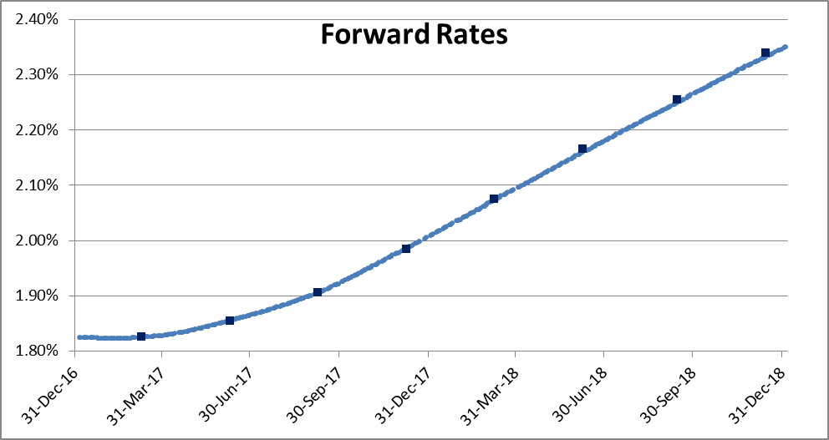
 | SW |  | 29Y | AUDQM3AB29Y_Quote |  | 05-Jan-2017 | 06-Jan-2017 | 08-Jan-2046 | 3.2042% | #NUM! | FALSE | #NUM! | #NUM!
 | SW |  | 30Y | AUDQM3AB30Y_Quote |  | 05-Jan-2017 | 06-Jan-2017 | 07-Jan-2047 | 3.2029% | #NUM! | FALSE | #NUM! | #NUM!
 | SW |  | 35Y | AUDQM3AB35Y_Quote |  | 05-Jan-2017 | 06-Jan-2017 | 08-Jan-2052 | #NUM! | #NUM! | FALSE | #NUM! | #NUM!
 | SW |  | 40Y | AUDQM3AB40Y_Quote |  | 05-Jan-2017 | 06-Jan-2017 | 08-Jan-2057 | #NUM! | #NUM! | FALSE | #NUM! | #NUM!
 | SW |  | 50Y | AUDQM3AB50Y_Quote |  | 05-Jan-2017 | 06-Jan-2017 | 06-Jan-2067 | #NUM! | #NUM! | FALSE | #NUM! | #NUM!
 | SW |  | 60Y | AUDQM3AB60Y_Quote |  | 05-Jan-2017 | 06-Jan-2017 | 06-Jan-2077 | #NUM! | #NUM! | FALSE | #NUM! | #NUM!

 |  |  |  |  |  |  |  |  |  |  |  |  |  | THIRD APPROACH
 |  |  |  |  |  |  |  |  |  |  |  |  |  | No Fixing in SynthDepo Extrap.
 |  |  |  |  |  |  |  |  |  |  |  |  |  | No Convexity
 |  |  |  |  |  |  |  |  |  |  |  |  |  | Swap 1Y NOT INCLUDED
 |  |  |  |  |  |  |  |  |  |  |  |  |  | 3 IMM FUT calibrated
 |  |  |  |  |  |  |  |  |  |  |  |  |  | Swap2Y and Swap3Y Included

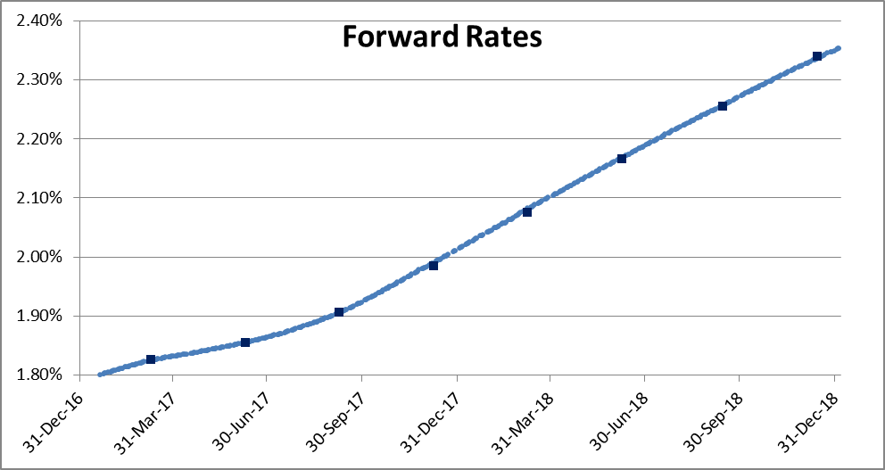

 |  |  |  |  |  |  |  |  |  |  |  |  |  | FOURTH APPROACH
 |  |  |  |  |  |  |  |  |  |  |  |  |  | Include 3M Fixing in SynthDepo Extrap.
 |  |  |  |  |  |  |  |  |  |  |  |  |  | No Convexity
 |  |  |  |  |  |  |  |  |  |  |  |  |  | Swap1Y NOT INCLUDED
 |  |  |  |  |  |  |  |  |  |  |  |  |  | 3 IMM FUT calibrated
 |  |  |  |  |  |  |  |  |  |  |  |  |  | Swap2Y and Swap3Y Included



 |  |  |  |  |  |  |  |  |  |  |  |  |  | FIFTH APPROACH
 |  |  |  |  |  |  |  |  |  |  |  |  |  | Include 3M Fixing in SynthDepo
 |  |  |  |  |  |  |  |  |  |  |  |  |  | Include Convexity
 |  |  |  |  |  |  |  |  |  |  |  |  |  | Swap1Y Excluded
 |  |  |  |  |  |  |  |  |  |  |  |  |  | 3 IMM FUT Calibrated
 |  |  |  |  |  |  |  |  |  |  |  |  |  | Swap2Y and Swap3Y Included

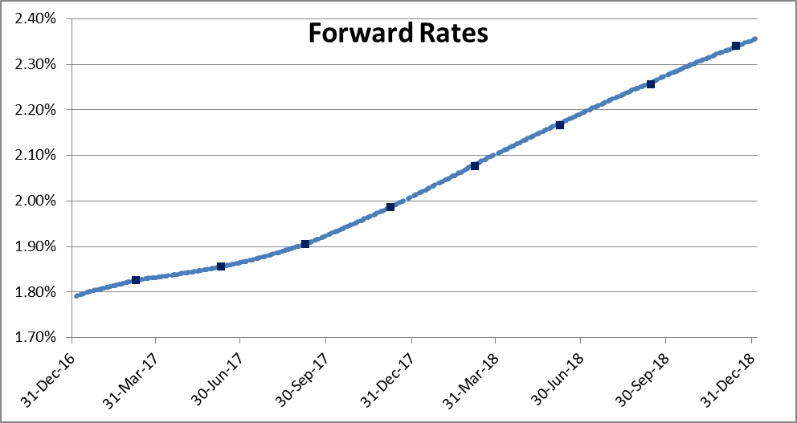

 |  |  |  |  |  |  |  |  |  |  |  |  |  | SIXTH APPROACH
 |  |  |  |  |  |  |  |  |  |  |  |  |  | Include 3M Fixing in SynthDepo
 |  |  |  |  |  |  |  |  |  |  |  |  |  | NO convexity
 |  |  |  |  |  |  |  |  |  |  |  |  |  | NO Swap1Y
 |  |  |  |  |  |  |  |  |  |  |  |  |  | 4 IMM FUT Calibrated
 |  |  |  |  |  |  |  |  |  |  |  |  |  | Swap2Y and Swap3Y Included



 |  |  |  |  |  |  |  |  |  |  |  |  |  | LAST APPROACH (MyFav)
 |  |  |  |  |  |  |  |  |  |  |  |  |  | Include 3M Fixing in SynthDepo
 |  |  |  |  |  |  |  |  |  |  |  |  |  | NO convexity
 |  |  |  |  |  |  |  |  |  |  |  |  |  | NO Swap1Y
 |  |  |  |  |  |  |  |  |  |  |  |  |  | 8 IMM FUT Calibrated
 |  |  |  |  |  |  |  |  |  |  |  |  |  | NO Swap2Y
 |  |  |  |  |  |  |  |  |  |  |  |  |  | NO Swap3Y

6M Monitor
 | Calculate

Forward Rates
 | Forward Rates |  | FRA
5-Jan-17 | 2.0420% | 06-Feb-2017 | #N/A
6-Jan-17 | 2.0420% | 06-Mar-2017 | #N/A
9-Jan-17 | 2.0420% | 05-Apr-2017 | #N/A
10-Jan-17 | 2.0419% | 05-May-2017 | #N/A
11-Jan-17 | 2.0418% | 05-Jun-2017 | #N/A
12-Jan-17 | 2.0418% | 05-Jul-2017 | #N/A
13-Jan-17 | 2.0418% | 05-Oct-2017 | #N/A
16-Jan-17 | 2.0419% | 05-Jan-2018 | #N/A
17-Jan-17 | 2.0418% | 05-Jul-2018 | #N/A
18-Jan-17 | 2.0418%
19-Jan-17 | 2.0418%
20-Jan-17 | 2.0418%
23-Jan-17 | 2.0419%
24-Jan-17 | 2.0418%
25-Jan-17 | 2.0419%
27-Jan-17 | 2.0419%
30-Jan-17 | 2.0422%
31-Jan-17 | 2.0421%
1-Feb-17 | 2.0422%
2-Feb-17 | 2.0423%
3-Feb-17 | 2.0423%
6-Feb-17 | 2.0430%
7-Feb-17 | 2.0429%
8-Feb-17 | 2.0428%
9-Feb-17 | 2.0430%
10-Feb-17 | 2.0431%
13-Feb-17 | 2.0437%
14-Feb-17 | 2.0437%
15-Feb-17 | 2.0438%
16-Feb-17 | 2.0440%
17-Feb-17 | 2.0442%
20-Feb-17 | 2.0450%
21-Feb-17 | 2.0450%
22-Feb-17 | 2.0452%
23-Feb-17 | 2.0454%
24-Feb-17 | 2.0456%
27-Feb-17 | 2.0465%
28-Feb-17 | 2.0473%
1-Mar-17 | 2.0475%
2-Mar-17 | 2.0483%
3-Mar-17 | 2.0483%
6-Mar-17 | 2.0488%
7-Mar-17 | 2.0491%
8-Mar-17 | 2.0494%
9-Mar-17 | 2.0502%
10-Mar-17 | 2.0502%
13-Mar-17 | 2.0508%
14-Mar-17 | 2.0511%
15-Mar-17 | 2.0514%
16-Mar-17 | 2.0524%
...
 | 6M Curve
TRUE | Instrument |  | Tenor | Quote Object ID | Convexity/Spread | Fixing Date | Value Date | Maturity Date | Pricing | Quote Value | Flag | Error(bps) | In Bid-Ask
 | FRA | 1M | 7M | AUD1x7F_Quote |  | 06-Feb-2017 | 06-Feb-2017 | 08-Aug-2017 | 2.0448% | #N/A | FALSE | #N/A | #N/A
 | FRA | 2M | 8M | AUD2x8F_Quote |  | 06-Mar-2017 | 06-Mar-2017 | 05-Sep-2017 | 2.0521% | #N/A | FALSE | #N/A | #N/A
 | FRA | 3M | 9M | AUD3x9F_Quote |  | 05-Apr-2017 | 05-Apr-2017 | 05-Oct-2017 | 2.0632% | #N/A | FALSE | #N/A | #N/A
 | FRA | 4M | 10M | AUD4x10F_Quote |  | 05-May-2017 | 05-May-2017 | 06-Nov-2017 | 2.0793% | #N/A | FALSE | #N/A | #N/A
 | FRA | 5M | 11M | AUD5x11F_Quote |  | 05-Jun-2017 | 05-Jun-2017 | 05-Dec-2017 | 2.0977% | #N/A | FALSE | #N/A | #N/A
 | FRA | 6M | 12M | AUD6x12F_Quote |  | 05-Jul-2017 | 05-Jul-2017 | 05-Jan-2018 | 2.1207% | #N/A | FALSE | #N/A | #N/A
 | FRA | 9M | 15M | AUD9x15F_Quote |  | 05-Oct-2017 | 05-Oct-2017 | 05-Apr-2018 | 2.1938% | #N/A | FALSE | #N/A | #N/A
 | FRA | 12M | 18M | AUD12x18F_Quote |  | 05-Jan-2018 | 05-Jan-2018 | 05-Jul-2018 | 2.2706% | #N/A | FALSE | #N/A | #N/A
 | FRA | 18M | 24M | AUD18x24F_Quote |  | 05-Jul-2018 | 05-Jul-2018 | 07-Jan-2019 | 2.4342% | #N/A | FALSE | #N/A | #N/A
 | SW |  | 1Y | AUDSM6AB1Y_Quote |  | 05-Jan-2017 | 06-Jan-2017 | 08-Jan-2018 | 2.0828% | #NUM! | FALSE | #NUM! | #NUM!
 | SW |  | 15M | AUDSM6AB15M_Quote |  | 05-Jan-2017 | 06-Jan-2017 | 06-Apr-2018 | 2.1105% | #NUM! | FALSE | #NUM! | #NUM!
 | SW |  | 18M | AUDSM6AB18M_Quote |  | 05-Jan-2017 | 06-Jan-2017 | 06-Jul-2018 | 2.1443% | #NUM! | FALSE | #NUM! | #NUM!
 | SW |  | 21M | AUDSM6AB21M_Quote |  | 05-Jan-2017 | 06-Jan-2017 | 08-Oct-2018 | 2.1796% | #NUM! | FALSE | #NUM! | #NUM!
 | SW |  | 2Y | AUDSM6AB2Y_Quote |  | 05-Jan-2017 | 06-Jan-2017 | 07-Jan-2019 | 2.2168% | #NUM! | FALSE | #NUM! | #NUM!
 | SW |  | 3Y | AUDSM6AB3Y_Quote |  | 05-Jan-2017 | 06-Jan-2017 | 06-Jan-2020 | 2.3633% | #NUM! | FALSE | #NUM! | #NUM!
 | SW |  | 4Y | AUDSM6AB4Y_Quote |  | 05-Jan-2017 | 06-Jan-2017 | 06-Jan-2021 | 2.4850% | 2.4850% | TRUE | 0.00 | TRUE
 | SW |  | 5Y | AUDSM6AB5Y_Quote |  | 05-Jan-2017 | 06-Jan-2017 | 06-Jan-2022 | 2.5850% | 2.5850% | TRUE | 0.00 | TRUE
 | SW |  | 6Y | AUDSM6AB6Y_Quote |  | 05-Jan-2017 | 06-Jan-2017 | 06-Jan-2023 | 2.6788% | 2.6788% | TRUE | 0.00 | TRUE
 | SW |  | 7Y | AUDSM6AB7Y_Quote |  | 05-Jan-2017 | 06-Jan-2017 | 08-Jan-2024 | 2.7600% | 2.7600% | TRUE | 0.00 | TRUE
 | SW |  | 8Y | AUDSM6AB8Y_Quote |  | 05-Jan-2017 | 06-Jan-2017 | 06-Jan-2025 | 2.8313% | 2.8312% | TRUE | 0.00 | TRUE
 | SW |  | 9Y | AUDSM6AB9Y_Quote |  | 05-Jan-2017 | 06-Jan-2017 | 06-Jan-2026 | 2.8912% | 2.8913% | TRUE | 0.00 | TRUE
ON Forward Rates
 | ON Forward Rates
5-Jan-17 | #N/A
6-Jan-17 | #N/A
9-Jan-17 | #N/A
10-Jan-17 | #N/A
11-Jan-17 | #N/A
12-Jan-17 | #N/A
13-Jan-17 | #N/A
16-Jan-17 | #N/A
17-Jan-17 | #N/A
18-Jan-17 | #N/A
19-Jan-17 | #N/A
20-Jan-17 | #N/A
23-Jan-17 | #N/A
24-Jan-17 | #N/A
25-Jan-17 | #N/A
27-Jan-17 | #N/A
30-Jan-17 | #N/A
31-Jan-17 | #N/A
1-Feb-17 | #N/A
2-Feb-17 | #N/A
3-Feb-17 | #N/A
6-Feb-17 | #N/A
7-Feb-17 | #N/A
8-Feb-17 | #N/A
9-Feb-17 | #N/A
10-Feb-17 | #N/A
13-Feb-17 | #N/A
14-Feb-17 | #N/A
15-Feb-17 | #N/A
16-Feb-17 | #N/A
17-Feb-17 | #N/A
20-Feb-17 | #N/A
21-Feb-17 | #N/A
22-Feb-17 | #N/A
23-Feb-17 | #N/A
24-Feb-17 | #N/A
27-Feb-17 | #N/A
28-Feb-17 | #N/A
1-Mar-17 | #N/A
2-Mar-17 | #N/A
3-Mar-17 | #N/A
6-Mar-17 | #N/A
7-Mar-17 | #N/A
8-Mar-17 | #N/A
9-Mar-17 | #N/A
10-Mar-17 | #N/A
13-Mar-17 | #N/A
14-Mar-17 | #N/A
15-Mar-17 | #N/A
16-Mar-17 | #N/A
...
 | SW |  | 10Y | AUDSM6AB10Y_Quote |  | 05-Jan-2017 | 06-Jan-2017 | 06-Jan-2027 | 2.9450% | 2.9450% | TRUE | 0.00 | TRUE
 | SW |  | 11Y | AUDSM6AB11Y_Quote |  | 05-Jan-2017 | 06-Jan-2017 | 06-Jan-2028 | 2.9959% | #NUM! | FALSE | #NUM! | #NUM!
 | SW |  | 12Y | AUDSM6AB12Y_Quote |  | 05-Jan-2017 | 06-Jan-2017 | 08-Jan-2029 | 3.0438% | 3.0438% | TRUE | 0.00 | TRUE
 | SW |  | 13Y | AUDSM6AB13Y_Quote |  | 05-Jan-2017 | 06-Jan-2017 | 07-Jan-2030 | 3.0868% | #NUM! | FALSE | #NUM! | #NUM!
 | SW |  | 14Y | AUDSM6AB14Y_Quote |  | 05-Jan-2017 | 06-Jan-2017 | 06-Jan-2031 | 3.1249% | #NUM! | FALSE | #NUM! | #NUM!
 | SW |  | 15Y | AUDSM6AB15Y_Quote |  | 05-Jan-2017 | 06-Jan-2017 | 06-Jan-2032 | 3.1575% | 3.1575% | TRUE | 0.00 | TRUE
 | SW |  | 16Y | AUDSM6AB16Y_Quote |  | 05-Jan-2017 | 06-Jan-2017 | 06-Jan-2033 | 3.1846% | #NUM! | FALSE | #NUM! | #NUM!
 | SW |  | 17Y | AUDSM6AB17Y_Quote |  | 05-Jan-2017 | 06-Jan-2017 | 06-Jan-2034 | 3.2072% | #NUM! | FALSE | #NUM! | #NUM!
 | SW |  | 18Y | AUDSM6AB18Y_Quote |  | 05-Jan-2017 | 06-Jan-2017 | 08-Jan-2035 | 3.2264% | #NUM! | FALSE | #NUM! | #NUM!
 | SW |  | 19Y | AUDSM6AB19Y_Quote |  | 05-Jan-2017 | 06-Jan-2017 | 07-Jan-2036 | 3.2429% | #NUM! | FALSE | #NUM! | #NUM!
 | SW |  | 20Y | AUDSM6AB20Y_Quote |  | 05-Jan-2017 | 06-Jan-2017 | 06-Jan-2037 | 3.2575% | 3.2575% | TRUE | 0.00 | TRUE
 | SW |  | 21Y | AUDSM6AB21Y_Quote |  | 05-Jan-2017 | 06-Jan-2017 | 06-Jan-2038 | 3.2706% | #NUM! | FALSE | #NUM! | #NUM!
 | SW |  | 22Y | AUDSM6AB22Y_Quote |  | 05-Jan-2017 | 06-Jan-2017 | 06-Jan-2039 | 3.2818% | #NUM! | FALSE | #NUM! | #NUM!
 | SW |  | 23Y | AUDSM6AB23Y_Quote |  | 05-Jan-2017 | 06-Jan-2017 | 06-Jan-2040 | 3.2911% | #NUM! | FALSE | #NUM! | #NUM!
 | SW |  | 24Y | AUDSM6AB24Y_Quote |  | 05-Jan-2017 | 06-Jan-2017 | 07-Jan-2041 | 3.2980% | #NUM! | FALSE | #NUM! | #NUM!
 | SW |  | 25Y | AUDSM6AB25Y_Quote |  | 05-Jan-2017 | 06-Jan-2017 | 06-Jan-2042 | 3.3025% | 3.3025% | TRUE | 0.00 | TRUE
 | SW |  | 26Y | AUDSM6AB26Y_Quote |  | 05-Jan-2017 | 06-Jan-2017 | 06-Jan-2043 | 3.3045% | #NUM! | FALSE | #NUM! | #NUM!
 | SW |  | 27Y | AUDSM6AB27Y_Quote |  | 05-Jan-2017 | 06-Jan-2017 | 06-Jan-2044 | 3.3047% | #NUM! | FALSE | #NUM! | #NUM!
 | SW |  | 28Y | AUDSM6AB28Y_Quote |  | 05-Jan-2017 | 06-Jan-2017 | 06-Jan-2045 | 3.3037% | #NUM! | FALSE | #NUM! | #NUM!
 | SW |  | 29Y | AUDSM6AB29Y_Quote |  | 05-Jan-2017 | 06-Jan-2017 | 08-Jan-2046 | 3.3020% | #NUM! | FALSE | #NUM! | #NUM!
 | SW |  | 30Y | AUDSM6AB30Y_Quote |  | 05-Jan-2017 | 06-Jan-2017 | 07-Jan-2047 | 3.3000% | 3.3000% | TRUE | 0.00 | TRUE
 | SW |  | 35Y | AUDSM6AB35Y_Quote |  | 05-Jan-2017 | 06-Jan-2017 | 08-Jan-2052 | #NUM! | #NUM! | FALSE | #NUM! | #NUM!
 | SW |  | 40Y | AUDSM6AB40Y_Quote |  | 05-Jan-2017 | 06-Jan-2017 | 08-Jan-2057 | #NUM! | 3.3075% | TRUE | #NUM! | #NUM!
 | SW |  | 50Y | AUDSM6AB50Y_Quote |  | 05-Jan-2017 | 06-Jan-2017 | 06-Jan-2067 | #NUM! | #NUM! | FALSE | #NUM! | #NUM!
 | SW |  | 60Y | AUDSM6AB60Y_Quote |  | 05-Jan-2017 | 06-Jan-2017 | 06-Jan-2077 | #NUM! | #NUM! | FALSE | #NUM! | #NUM!

